Sample Bill - Electricity
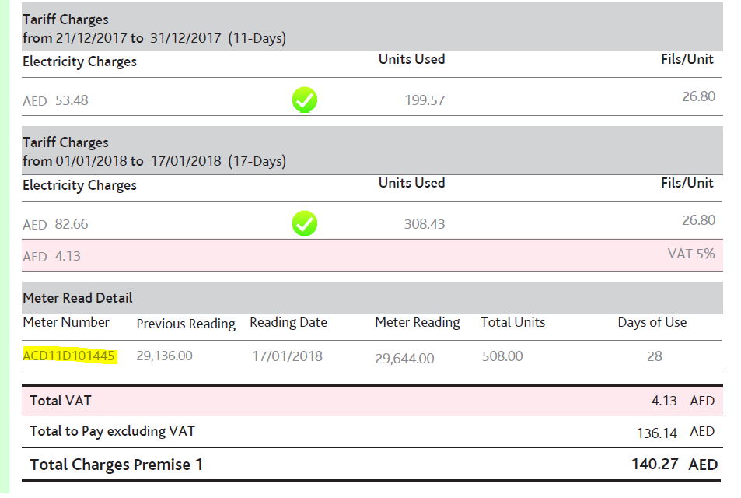

SAMPLE

Sample Bill - Water
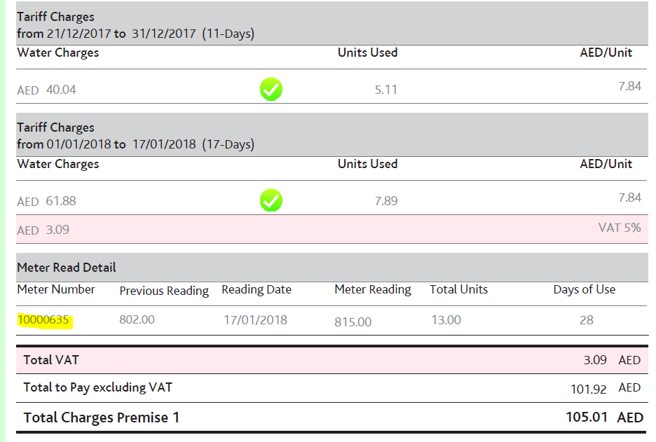

SAMPLE

